Healthcare
RISK ACCEPTANCE CRITERIA (RAC)

BUSINESS SEGMENT: | HEALTHCARE
Effective Date: November 1, 2024 | 1-Feb-25
Target Customer Profile | Medical (MD): Doctor of Medicine, Dental, Orthodontic, Pharma, Ophthamology/Optometry, Veterinary, Chiropractic. Osteopath, Podiatrist/Chiropodist, Physiotherapy, Clinical Psychologist, Psychotherapist, Audiology/Speech Language Pathologist (CASLPO), Kinesiologist, Occupational Therapist, Physiotherapist, Nursing (RPN, RN)(EB), and other licensed healthcare workers as deemed accetable. All other establishments (AE) All potential obligors should have a commercial address (no home businesses), show clear signage and have a website. Preferred Obligor Score of CR3 or better. Rating to be determined by the Credit Scorecard or BTA
Approval Limitations | Auto-decision: 350K for CR1/CR2. 150K for CR3 and 0$ for CR4. for doctors only. Subject to Japan Approval Authority
General Credit Criteria | Medical Professionals should be verifiable via corresponding health school/college/association etc. with active status and no disciplinary issues. PG Preferred for the medical. Required for all other establishments. Comparable Credit required for App only
Life Science (LS) | Life Science is a subcategory of Healthcare and primary target are research companies engaged in Life Science (LS). Including: Public universities and hospitals, commercial business (hospital, practitioners, pharma, food, science and technology) and service providers (laboratories). * Due diligence should include, financial statements analysis that includes minimum cash burn rate of at least 12 months (meaning the available current cash/marketable securities must cover at least 12 months of the negative cash flow). If we receive a letter from the funding source with commitment for additional financing with no restrictions this can be included in the cash burn rate calculation. Conference call with the customer, investigation of sources of capital, review of key contracts (reserach contract with pharamaceutical companies or universities), customer history with vendor and other relevant payment and profile information such as credit agency information and princal's credit and financial information migh be required. * These type of transactions will always require structuring with the main parametars being increased down payment/first payment of min. 20% and shorter term - max 36 months. (unless 100% recourse from approved vendor is obtained). *Initialy, these requests will be reviewed by Credit Managers only regardless of the size of the request.
Strike Zone | 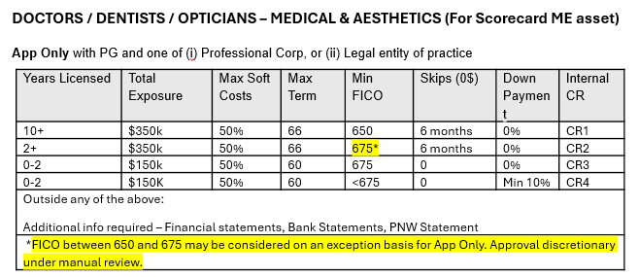 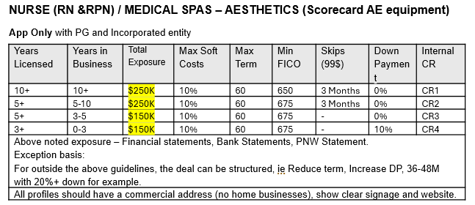
Dealers / Vendors / Brokers / Suppliers | Vendors/Dealers/Broker partners must be approved under MHCCA-MHCCL Third Party Policy.
ASSET
Eligible Assets / Remarketability | NEW or Demo - Medical/Dental, Practitioner Equipment, Beauty/Spa Laser Equipment and Leasehold Improvements. Most assets will not be accetable used due to not being readilty remarketable; exceptions will be large (refurbished) diagnostic units (MRA, CT etc.). In most cases medical equipment requires significant vendor re-certification costs which increaes loses in any reposession situation
Attachments / Softcosts | Max 50% of allowed soft cost based on transaction amount to a maximum transaction size of $500K. Exception can be made for CR1/CR2 customers for 100% Leasehold Improvements or Software - Credit Manager approval required. * Soft-cost is defined as any "non-tangible" item financed as part of the agreements, i.e. merchandise, tenant improvements, shipping,training, software etc. * Attachments such as handpieces may be financed in conjunction with the main stand alone unit.
STRUCTURE
Maximum Advance | 100% of Invoice Cost
Advance Payment / Downpamyent | At Underwriters discretion.
Max Term - New / USED (months) | 66 / 60
Max Amortization - NEW / USED (mo.'s) | 66 / 60
Residual Value / Balloon Payment(loan) | Bargain Purchase Option
Other Conditions: | No insurance required under 25K No Landlord waivers required under 250K No Fixture Filings required under 250K
Skip Payments | CR1 & CR2 Doctors - 6 months skips @ 0$ CR1 & CR2 Nurse 3 month skips @99$
Personal Guarantee | At Credit's discretion subject to OAC - Signed Consent and Personal Net Worth form mandatory.
Insurance/Security Requirements | Standard MHCCNA security/documentaton Policy
RAC EXCEPTIONS | Next Level Approval Authority required. Senior Manager and above can approve themselves a transaction with RAC Exceptions

